Sheet1
Classified Hourly timesheet (15th of the Month Payroll)
Timesheet must only be used with payroll authorization to record hours worked.
INSTRUCTIONS:

1.) | Data can be entered/modified in areas highlighted in grey
2.) | Enter First Name, Last Name, and Banner ID number (G#, Student ID, or Employee ID)
3.) | Select the appropriate month and year worked. The pay period is from the first of the month to the last day of the month. (1st through 30th/31st)

4.) | Enter Job Title
5.) | Enter Start Time and End Time for each day worked. Format hours as AM or PM. Hours should be rounded to the nearest quarter of an hour (15 minute intervals)

6.) | The ‘total hours’ cell will turn red if the total hours is greater than 6 hours. If you worked more than 6 hours, a 30 minute break period must be taken/indicated/recorded.

 | (ex.: if you worked from 8:00 a.m. to 2:15 p.m. (in this example 15 minutes over 6 hours), you must enter 8:00 a.m. to 1:00 p.m. and 1:30 p.m. to 2:15 p.m.)

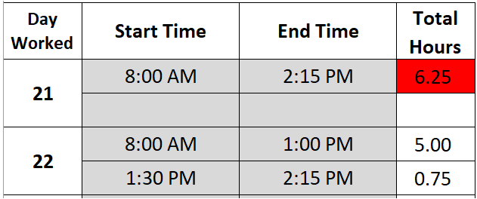

 |  |  |  |  |  |  |  |  |  |  | Incorrect

 |  |  |  |  |  |  |  |  |  |  | Correct

7.) | Enter the Hourly Rate
8.) | Enter the Banner Fund, Organization, Account, Program and Activity (if applicable), and the percentage applied to each account string.

9.) | Employee needs to print, sign, and submit to the supervisor and the budget administrator for approval. Signatures and Banner account string MUST be present to be paid timely.

10.) | Signed timesheet must be submitted to Payroll on or before the Supervisor Approval deadline. Follow up with your supervisor to ensure timesheet is submitted to payroll before the deadline.

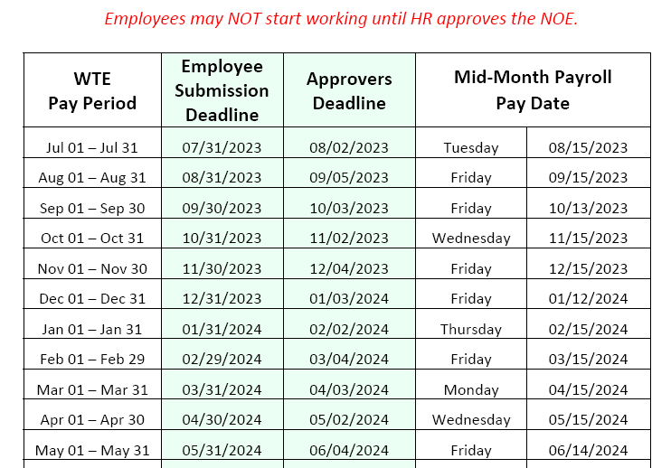

**Before you begin**
PLEASE CONTACT PAYROLL BEFORE USING THIS FORM.
ext. 2693
West Valley-Mission Community College District |  |  |  |  |  |  |  |  |  |  |  |  |  |  | MM
 |  | Classified Hourly Timesheet (15th of Month Payroll)

 |  |  |  |  |  |  |  |  | October |  |  | 2023-10-17
First Name |  | Last Name |  | ID# (G01234567) |  |  |  |  | Month(s) |  |  | Year |  | Job Title
Hours should be entered in intervals of 15 minutes (ex: 10:15 AM, 10:30 AM,10:45 AM).
Day Worked | Start Time |  | End Time |  | Total Hours |  | Day Worked | Start Time |  | End Time |  | Total Hours
1 |  |  |  |  |  |  | 17 |  |  |  |  |  | Submit to: payroll.services@wvm.edu
SUN |  |  |  |  |  |  | TUE
Note 1: "HOURS WORKED"
Enter Start Time and End Time for each day worked. Format hours as AM or PM. Hours should be rounded to the nearest quarter of an hour (15 minute intervals)
Note 2: "LUNCH BREAK"
The ‘total hours’ cell will turn red if the total hours is greater than 6 hours. If you worked more than 6 hours, a 30 minute lunch break must be taken.
ex.: if you worked from 8:00 a.m to 2:15 p.m (in this example 15 minutes over 6 hours), record hours as follows: 8:00 a.m to 1:00 p.m and 1:30 p.m to 2:15 p.m
Note 3: "HOLIDAY"
Any hours worked on a holiday must be pre-approved by supervisor. Please have supervisor initial those hours.
Note 4: "APPROVAL"
Employee MUST print, sign, and submit timesheet to the supervisor and the budget administrator for approval. Signatures and Banner account string MUST be present to be paid on time.
Note 5: "TIMESHEET DEADLINE"
Signed timesheet must be submitted to Payroll on or before the Supervisor Approval deadline in SSB. It is your responsibility to follow up with your supervisor to ensure timesheet is submitted to payroll before the deadline.
2 |  |  |  |  |  |  | 18
MON |  |  |  |  |  |  | WED
3 |  |  |  |  |  |  | 19
TUE |  |  |  |  |  |  | THUR
4 |  |  |  |  |  |  | 20
WED |  |  |  |  |  |  | FRI
5 |  |  |  |  |  |  | 21
THUR |  |  |  |  |  |  | SAT
6 |  |  |  |  |  |  | 22
FRI |  |  |  |  |  |  | SUN
7 |  |  |  |  |  |  | 23
SAT |  |  |  |  |  |  | MON
8 |  |  |  |  |  |  | 24
SUN |  |  |  |  |  |  | TUE
9 |  |  |  |  |  |  | 25
MON |  |  |  |  |  |  | WED
10 |  |  |  |  |  |  | 26
TUE |  |  |  |  |  |  | THUR
11 |  |  |  |  |  |  | 27
WED |  |  |  |  |  |  | FRI
12 |  |  |  |  |  |  | 28
THUR |  |  |  |  |  |  | SAT
13 |  |  |  |  |  |  | 29
FRI |  |  |  |  |  |  | SUN
14 |  |  |  |  |  |  | 30
SAT |  |  |  |  |  |  | MON
15 |  |  |  |  |  |  | 31
SUN |  |  |  |  |  |  | TUE
16
MON |  |  |  |  |  |  | 0.00 | X |  | =
 |  |  |  |  |  |  | Total Hours |  | Hourly Rate |  | Gross Pay

Fund |  | Organization |  | Account |  | Program |  | Activity |  | %

 |  |  |  |  |  |  |  |  |  |  |  | Budget Admin Approval Date Ext.
 |  |  |  |  |  |  |  |  |  |  |  | I hereby certify that the account number(s) are accurate and correct.

Employee Signature |  |  | Date |  | Extension |  | Approver Signature |  |  | Date |  | Extension
I hereby certify that the hours indicated on this timesheet are true and accurate. |  |  |  |  |  |  | Supervisor/Dean/Department Chair
 |  |  |  |  |  |  | I certify that I have validated that the employee did work the hours as indicated on this timesheet.

